Defects
Application Colored Notes - DEFECTS
Specifications : Windows 10 Home , OS Build 19044.3086
ID | DEFECTS | PRINTSCREEN | PRIORITY
1 | MENU folder/ ''Type a folder name'' field requires attention by clicking mouse twice or more times to start typing |  | LOW

 | Steps to reproduce:
 | 1. Open "Colored Notes" app
 | 2. Press MENU app icon
 | 3. Press "Type a folder name" field
 | 4. Write letters/symbols

 | Expected results:
 | User should be allowed to start typing from the first mouse click on a field

2 | MENU folder/ ''Type a search query'' field requires attention by clicking mouse twice or more times to start typing |  | LOW

 | Steps to reproduce:
 | 1. Open "Colored Notes" app
 | Press MENU app icon
 | 3. Press "Type a search query" field
 | 4. Write letters/symbols

 | Expected results:
 | User should be allowed to start typing from the first mouse click on a field

3 | MENU folder/ ''Type a folder name'' field appears x button , while you press on it button disappears (delete process is not available) |  | MEDIUM

 | Prerequirements: Created text file

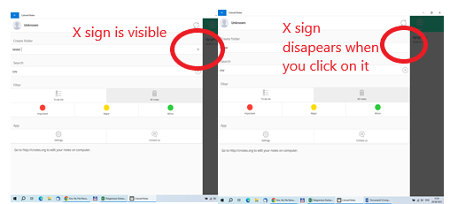
 | Steps to reproduce:
 | 1. Open "Colored Notes" app
 | 2. Press MENU app icon
 | 3. Press "Type a folder name" field
 | 4. Press " x " button

 | Expected results:
 | User press x button should be able to delete unwanted letters/symbols

4 | MENU folder/ ''App - Settings'' user can type in new password but can't save it |  | HIGH

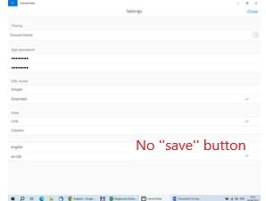
 | Steps to reproduce:
 | 1. Open "Colored Notes" app
 | 2. Press MENU app icon
 | 3. Go to App and press ''Settings''
 | 4. Press on ''new password''
 | 5.Press on ''re-type new password''

 | Expected results:
 | Password should be saved to the system

5 | MENU folder/ ''App - Settings- English'' only one language to choose , but as long you click it on it all app disconnects |  | HIGH

 | Steps to reproduce:
 | 1. Open "Colored Notes" app
 | 2.Press MENU app icon
 | 3.Go to App and press ''Settings''
 | 4. Press ''English''

 | Expected results:
 | Stays on ''English'' - ''en-GB'' sign

6 | MENU folder/ ''Uncknown'' - '' Create account'' Account can't be created within ''Colored Notes app, not everyone wants to go within other methods to log in |  | MEDIUM

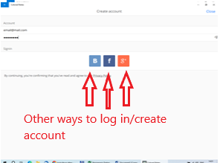
 | Steps to reproduce:
 | 1. Open "Colored Notes" app
 | 2.Press MENU app icon
 | 3. Press "Unknown''
 | 4. Type in ''email''
 | 5. Type in ''password''
 | 6.Choose one of provided options to log in /create account

 | Expected results:
 | User expects to create account within ''Colored Note '' app

7 | TEXT folder/ cheking if in ''Convert'' field (-->) button works, but it's only an icon/sign |  | LOW
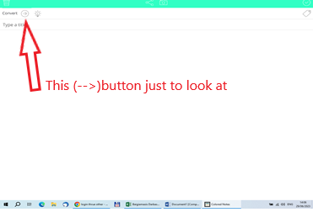
 | Steps to reproduce:
 | 1. Open ''Colored Notes" app
 | 2. Press TEXT app icon
 | 2. Press on ''Convert'' field (-->) sign

 | Expected results:
 | User expects button to work

8 | LIST/CAMERA/AUDIO/MEMO/CALEN folders/ while previuos message has been delete user can't start writting new ''LIST with ''tick''sign in front(only first line) |  | MEDIUM
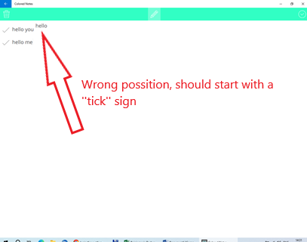
 | Steps to reproduce:
 | 1. Open "Colored Notes" app
 | 2. Press LIST app icon
 | 3. Srat typing LIST
 | 4.Delet new created LIST
 | 5. Start typing new List

 | Expected results:
 | User should be able to start new LIST properly

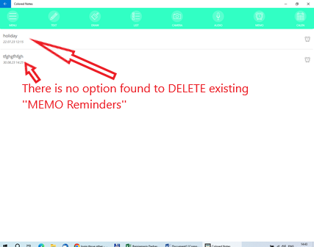
9 | LIST/CAMERA/AUDIO/MEMO/CALEN folders/ ''MEMO-Reminder'' user can't delete existing reminder |  | MEDIUM

 | Steps to reproduce:
 | 1. Open "Colored Notes" app
 | 2. Press MEMO app icon
 | 3. Type in in new message to ''Reminder'' choose -month/date/hour and minutes
 | 4. Press ''tick'' sign to save it
 | 5. Press on reminder you want to DELETE

 | Expected results:
 | You should be able to delete/change your ''Reminders''

10 | Security folder/ Password can' be created |  | HIGH
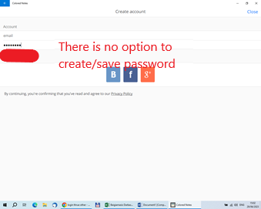
 | Steps to reproduce:
 | 1. Open "Colored Notes" app
 | 2. Press MENU app icon
 | 3. Click on "Unknown"
 | 4. Type in ''password''

 | Expected results:
 | Should be input field validation and password should be created for using next time the app

11 | Security folder/ ''email'' can' be created |  | HIGH
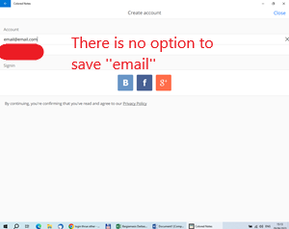
 | Steps to reproduce:
 | 1. Open "Colored Notes" app
 | 2.Press MENU app icon
 | 3.Click on ''Unknown''
 | 4.Type in ''email''

 | Expected results:
 | Should be input field validation and ''email'' should be created for using next time the app

Improvements
Application Colored Notes - IMPROVEMENTS
Specifications : Windows 10 Home , OS Build 19044.3086
ID | Improvements | PRINTSCREEN | PRIORITY
1 | Often asked questions |  | HIGH

 | Problem:
 | The App does not have any information how use apps options, app opportunities

 | Improvements:
 | For the convenience of using the application recommended to create section "Offen asked questions"

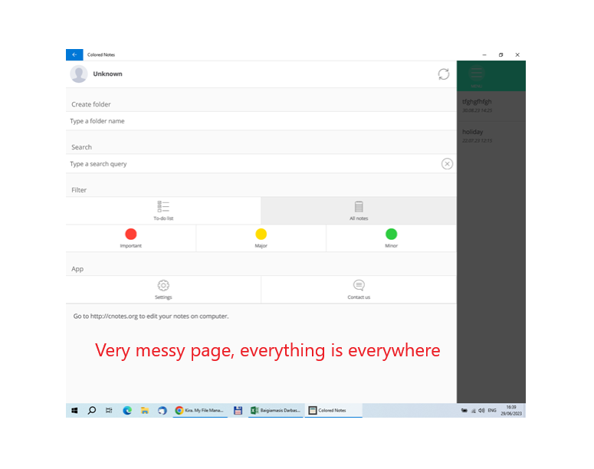
2 | MENU |  | Low

 | Problem:
 | All ''MENU page looks very messy and not in order

 | Improvements:
 | MENU page choices should be in their separate folders like :
 | 1. Create account
 | 2. Create folder
 | 3. Search
 | 4. Filter
 | 5. App

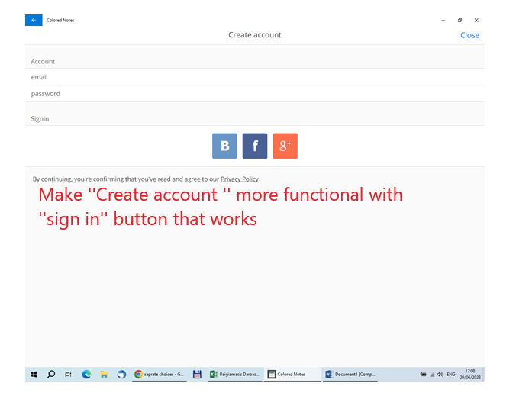
3 | Create account |  | Low

 | Problem:
 | While you'r trying to create account for Colored Notes , you can't finish it as you can' t ''sign in'' & ''SAVE'' it

 | Improvements:
 | Sort it out ''Create account'' page with proper email and password write up, with functional sign in buttons or ''save'' button and make sure that account been created/saved

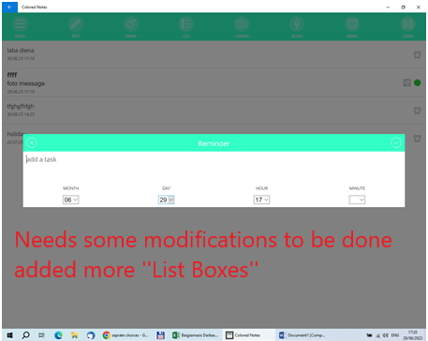
4 | MEMO /Reminder in full |  | Medium

 | Problem:
 | Reminder it's self not made in full

 | Improvements:
 | Need to be added :
 | 1. Instead of ''add a task'' - ''add Text'' or ''write a text''
 | 2. Add ''List box'' for day/month/year
 | 3. Add ''List box'' for hours and minutes
 | 4. Make sure that all ''List box' opening all the same way

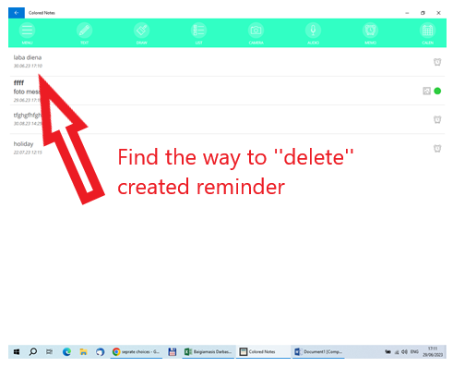
5 | MEMO /Reminder DELETE option |  | Medium

 | Problem:
 | While Reminder is completed and saved there is no option to DELETE it

 | Improvements:
 | Create DELETE button, so unwanted Reminders can be deleted from Colored Note app

Test report
TESTING REVIEW |  |  |  |  | DEFECT STATISTICS
Types of tests | Number | % | FUNCTIONAL | NON-FUNCTIONAL | Priority | Number
Passed | 54 | 83 | 38 | 16 | High | 4
Failed | 11 | 17 | 9 | 2 | Medium | 4
Total | 65 | 100 | 47 | 18 | Low | 3
 |  |  |  |  | Total | 11

TOTAL NUMBER OF TESTS
DEFECT STATISTICS

Functional Testing
Non-functional Testing

